Symptom Meds (Other Meds)
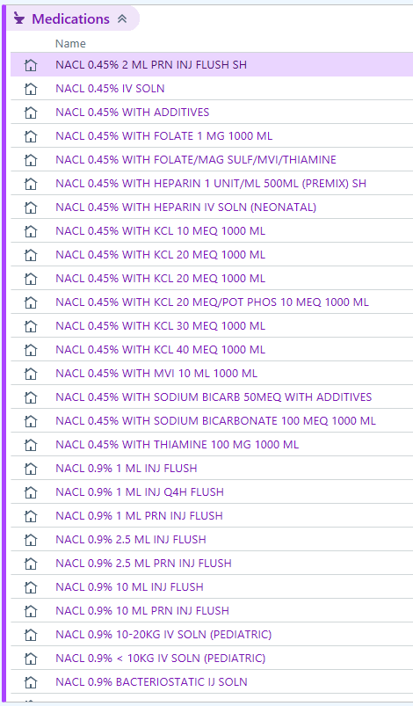
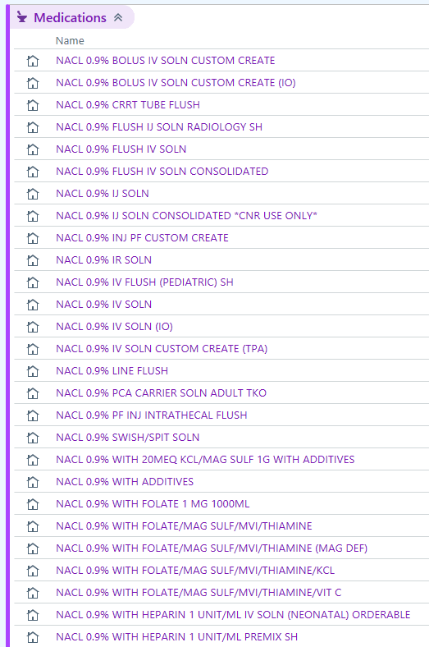
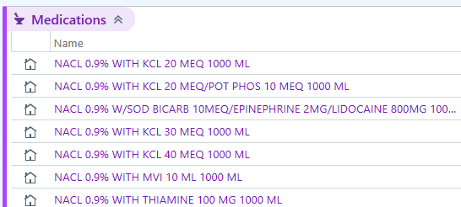
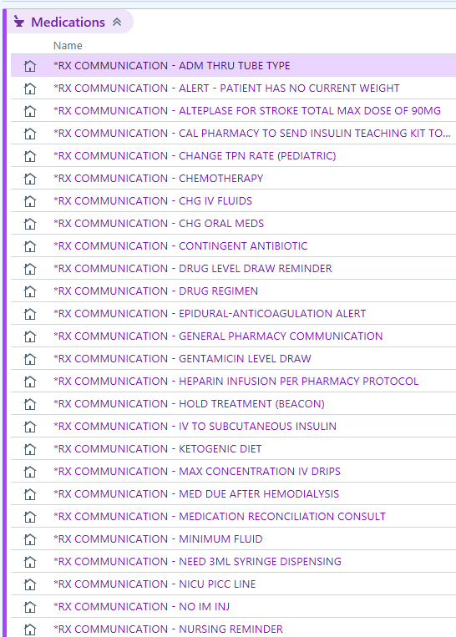
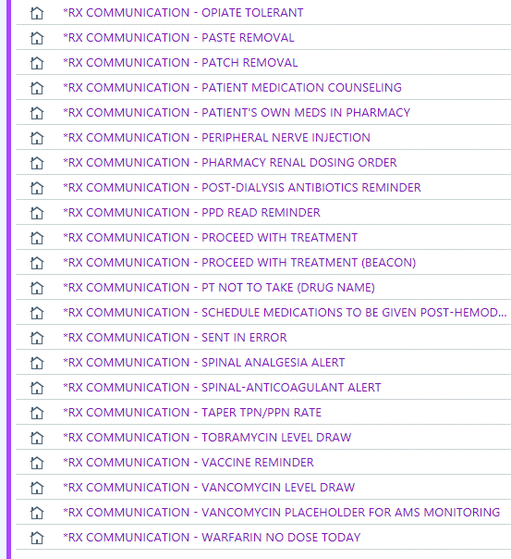
Info for developers: Remove all of these medications from the "Other meds" configuration file. Include all medications that start with the values in the Name column (i.e., include any medication that has a medication name that starts with *RX COMMUNICATION)
Name
NACL 0.45%
NACL 0.9%
*RX COMMUNICATION -

